CLUSTER SET 1
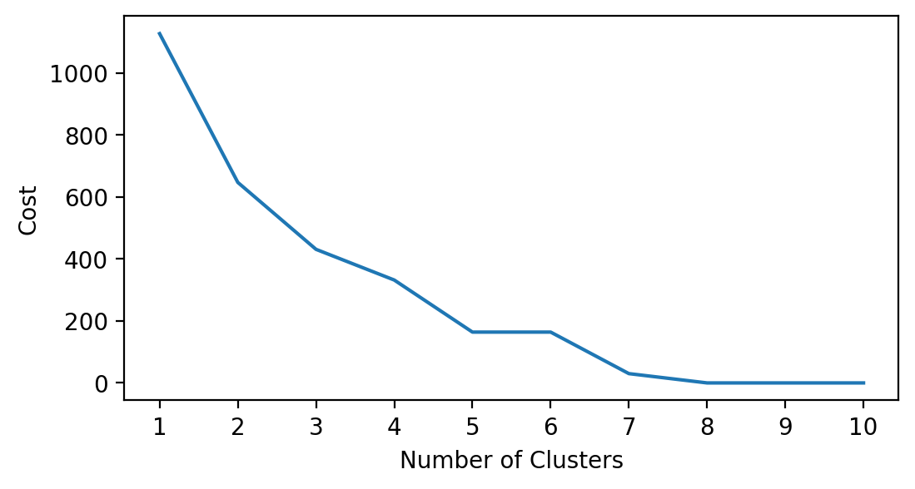
CLUSTER SET 1 : saved, account, emp_in
1. Employment status: included to identify if they have a source of income that they can use to build their savings
2. Account: to determine if they place their savings in a financial institution

cluster | has saved | has account | employment status | Classification
0 | has saved | has account | employed | people who set a side a part of their income in a financial institution
1 | did not saved | does not have account | unemployed | no source of income and no savings
2 | has saved | does not have account | employed | people who set a side a part of their income but not in a financial institution
3 | did not saved | does not have account | employed | people who can't save because they are living pay check to pay check
4 | has saved | does not have account | unemployed | unemployed but has savings and account. Source of savings maybe from remittances/allowances from partners/gov support

labels | has saved | has account | employment status | Classification
0 | did not saved | does not have account | unemployed | no source of income and no savings
1 | has saved | has account | employed | people who set a side a part of their income in a financial institution
2 | has saved | does not have account | unemployed | unemployed but has savings not stored in an FI. Source of savings maybe from remittances/allowances from partners/gov support
3 | did not saved | does not have account | employed | people who can't save because they are living pay check to pay check
4 | has saved | does not have account | employed | people who set a side a part of their income but not in a financial institution
5 | did not saved | has account | employed | people who receive their salary through a financial institution but has no savings
6 | has saved | has account | unemployed | unemployed but has savings stored in an FI. Source of savings maybe from remittances/allowances from partners/gov support

CLUSTER SET 2
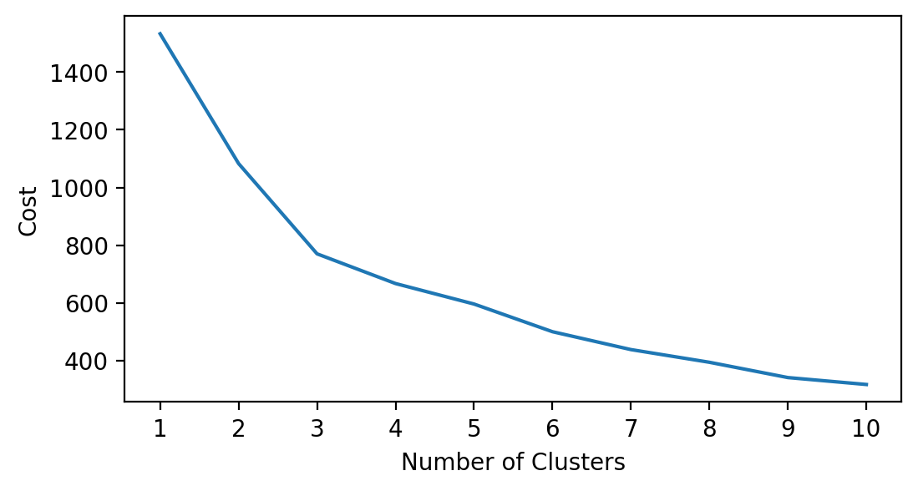
CLUSTER SET 2 : saved, account, emp_in, educ
1. Educational attainment: included to identify if they have access to employment opportunities that can help them save
2. Employment status: included to identify if they have a source of income that they can use to build their savings
3. Account: to determine if they place their savings in a financial institution

labels | has saved | has account | employment status | educational background | Classification
0 | did not saved | does not have account | employed | secondary | people who can't save because they are living pay check to pay check
1 | has saved | has account | unemployed | secondary | unemployed but has source of savings other than income; can be allowances/remittances; savings in FI (stay at home)
2 | has saved | has account | employed | completed tertiary or more | people who has best access to better opportunities because of their level of educ; current income has allowance for savings put in an account
3 | has saved | does not have account | employed | secondary | people who set a side a part of their income but not in a financial institution
4 | has saved | has account | employed | secondary | people who has less access to better opportunities because of their level of educ but got a job; current income has allowance for savings put in an account
5 | did not saved | does not have account | unemployed | completed primary or less | people who has the least access to better opps; unemployed and no savings

labels | has saved | has account | employment status | educational background | Classification
0 | has saved | does not have account | unemployed | completed primary or less
1 | has saved | has account | employed | secondary
2 | has saved | does not have account | unemployed | secondary
3 | did not saved | does not have account | employed | secondary
4 | has saved | has account | employed | completed tertiary or more | people who has access to better opportunities because of their level of educ; current income has allowance for savings put in an account
5 | did not saved | does not have account | unemployed | secondary
6 | has saved | does not have account | employed | secondary

labels | has saved | has account | employment status | educational background | Classification
0 | did not saved | does not have account | employed | secondary
1 | has saved | has account | unemployed | secondary
2 | has saved | has account | employed | completed tertiary or more
3 | has saved | does not have account | employed | secondary
4 | has saved | has account | employed | secondary
5 | did not saved | does not have account | unemployed | completed primary or less
6 | did not saved | has account | employed | completed primary or less
7 | did not saved | does not have account | unemployed | secondary

labels | has saved | has account | employment status | educational background | Classification
0 | did not saved | does not have account | employed | secondary
1 | has saved | has account | unemployed | secondary
2 | has saved | does not have account | employed | completed primary or less
3 | has saved | has account | employed | completed tertiary or more
4 | did not saved | has account | unemployed | completed primary or less
5 | has saved | has account | employed | secondary
6 | did not saved | does not have account | unemployed | completed primary or less
7 | did not saved | does not have account | employed | completed primary or less
8 | has saved | does not have account | employed | secondary

CLUSTER SET 3
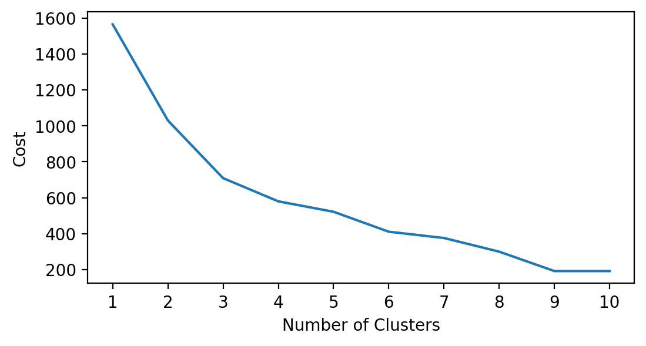
CLUSTER SET 3 : saved, account, emp_in, female
1. Educational attainment: included to identify if they have access to employment opportunities that can help them save
2. Employment status: included to identify if they have a source of income that they can use to build their savings
3. Account: to determine if they place their savings in a financial institution
4. Gender: in PH, normally females are the ones who give up their career when they marry

labels | female | saved | account | emp_in | Classification
0 | female | did not saved | does not have account | unemployed
1 | female | has saved | has account | employed
2 | male | has saved | does not have account | employed
3 | male | has saved | has account | employed
4 | male | did not saved | does not have account | unemployed

labels | female | saved | account | emp_in | Classification
0 | male | did not saved | does not have account | employed
1 | male | has saved | has account | employed
2 | female | has saved | has account | employed
3 | male | has saved | does not have account | employed
4 | female | has saved | does not have account | unemployed
5 | female | did not saved | does not have account | unemployed

labels | female | saved | account | emp_in | Classification
0 | female | has saved | has account | employed
1 | female | did not saved | does not have account | unemployed
2 | male | has saved | does not have account | employed
3 | female | has saved | does not have account | employed
4 | male | has saved | does not have account | unemployed
5 | male | did not saved | does not have account | employed
6 | female | did not saved | does not have account | employed

labels | female | saved | account | emp_in | Classification
0 | male | did not saved | does not have account | employed
1 | female | has saved | has account | employed
2 | female | has saved | does not have account | employed
3 | male | has saved | does not have account | employed
4 | female | has saved | does not have account | unemployed
5 | female | did not saved | does not have account | unemployed
6 | male | has saved | has account | employed
7 | male | did not saved | has account | unemployed

CLUSTER SET 5

CLUSTER SET 5 : saved, account, emp_in, mobileowner, inc_q
1. Employment status: included to identify if they have a source of income that they can use to build their savings
2. Account: to determine if they place their savings in a financial institution
3. Mobile ownership: to identify if there's opportunity to introduce them to other digital finance options
4. Income Group: to gauge if their source of income can give them allowance to save

labels | # of members in cluster | inc_q | saved | account | emp_in | mobileowner | Classification
0 | 295 | fourth 20% | has saved | does not have account | in workforce | yes | people who set a side a part of their income but not in a financial institution | introduce other digital financial products
1 | 96 | middle 20% | did not saved | has account | in workforce | no | people whose salary is received through an account but have no savings
2 | 178 | richest 20% | has saved | has account | in workforce | yes | people whose current income has allowance for savings that they put in a financial institution
3 | 113 | poorest 20% | did not saved | does not have account | in workforce | no | people who can't save because they are living pay check to pay check
4 | 154 | middle 20% | did not saved | does not have account | out of workforce | yes | no source of income and no savings

labels | # of members in cluster | inc_q | saved | account | emp_in | mobileowner | Classification
0 | 295 | middle 20% | did not saved | does not have account | in workforce | yes | people who can't save because they are living pay check to pay check but with mobile phone
1 | 96 | poorest 20% | did not saved | does not have account | in workforce | no | people who can't save because they are living pay check to pay check and have no mobile phone
2 | 178 | richest 20% | has saved | does not have account | in workforce | yes | people whose current income has allowance for savings but they don't put it in a financial institution
3 | 113 | poorest 20% | did not saved | does not have account | out of workforce | no | no source of income and no savings
4 | 154 | fourth 20% | has saved | has account | out of workforce | yes | unemployed but has savings not stored in an FI. Source of savings maybe from remittances/allowances from partners
5 | 164 | richest 20% | has saved | has account | in workforce | yes | people whose current income has allowance for savings that they put in a financial institution

labels | # of members in cluster | inc_q | saved | account | emp_in | mobileowner | Classification
0 | 217 | middle 20% | did not saved | does not have account | in workforce | yes | people who can't save because they are living pay check to pay check but with mobile phone
1 | 99 | poorest 20% | did not saved | does not have account | in workforce | no | people who can't save because they are living pay check to pay check and have no mobile phone
2 | 212 | fourth 20% | has saved | has account | in workforce | yes
3 | 151 | middle 20% | has saved | does not have account | in workforce | yes | people whose current income has allowance for savings but they don't put it in a financial institution
4 | 141 | richest 20% | has saved | has account | in workforce | yes | people whose current income has allowance for savings that they put in a financial institution
5 | 103 | poorest 20% | did not saved | does not have account | out of workforce | no | no source of income and no savings
6 | 77 | fourth 20% | has saved | does not have account | out of workforce | yes | unemployed but has savings not stored in an FI. Source of savings maybe from remittances/allowances from partners/gov support

Cluster Set 6
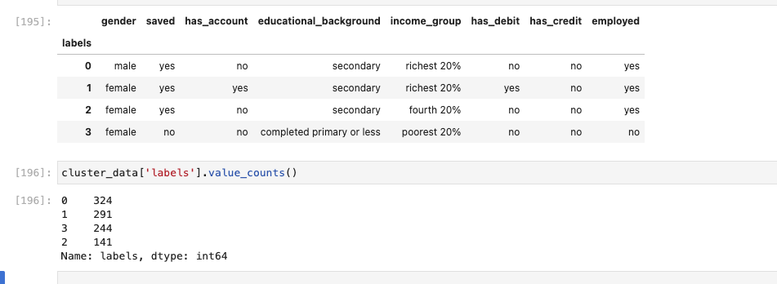
CLUSTER SET 6 : saved, account, emp_in, education, income group, debit, credit

cluster | saved | has account | education | income group | debit | credit | employed | Classification
0 | no | no | primary or less | middle 20% | no | no | no | not part of the system and not saving; less educated | largest cluster, focus on literacy
1 | yes | yes | secondary | richest 20% | yes | no | yes | in the system, saving and working | introduce to other financial products
2 | yes | no | secondary | fourth 20% | no | no | yes | saving and working but not in the system | 2nd lasrgest cluster, focus on getting them in the system

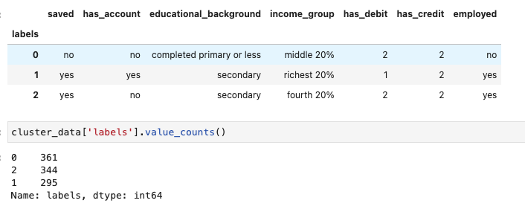

If cluster is 4
cluster | saved | has account | education | income group | debit | credit | employed | Classification
0 | yes | yes | secondary | richest 20% | yes | no | yes | saving, employed, high income, in the system | introduce to other financial products
1 | no | no | secondary | middle 20% | no | no | no | not saving, not in the system, middles class, als not employed | improve financial status and financial literacy, create easier to understand products? | -check age and gender (dependents?)
2 | no | no | primary or less | poorest 20% | no | no | no | not saving, not in the system, middles class, aslo not employed | poverty as barrier...improve financial status and financial literacy, create easier to understand products?
3 | yes | no | secondary | fourth 20% | no | no | yes | saving, not in the system, employed | bring to the system, focus on savings as gateway

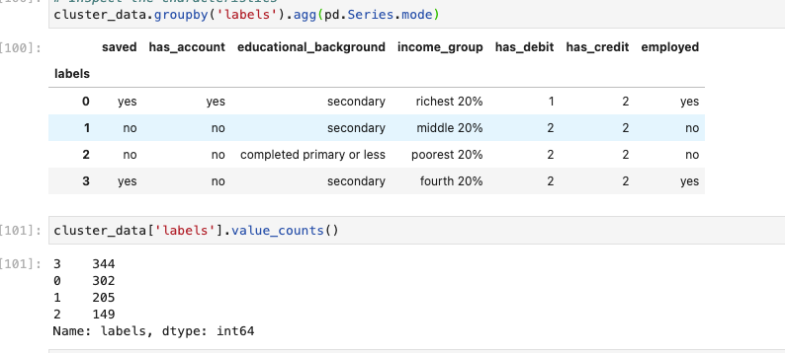

Added gender:

